Sheet1
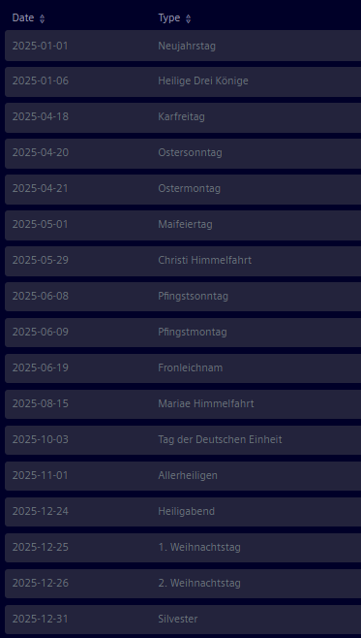
2024-12-24
1. Weihnachtstag
2024-12-25
2. Weihnachtstag
2024-12-26
Silvester
2024-12-31
Neujahrstag
2025-01-01
Heilige Drei Könige
2025-01-06
Karfreitag
2025-04-18
Ostersonntag
2025-04-20
Ostermontag
2025-04-21
Maifeiertag
2025-05-01
Christi Himmelfahrt
2025-05-29
Pfingstsonntag
2025-06-08
Pfingstmontag
2025-06-09
Fronleichnam
2025-06-19
Mariae Himmelfahrt
2025-08-15
Tag der Deutschen Einheit
2025-10-03
Allerheiligen

